Instructions and Examples
Please choose the components of your TAL and then fill in the order form in the first tab of this excel sheet.
GeneArt™ TAL Design Options

GeneArt Transcription activator-like (TAL) effector proteins are available in two design formats: GeneArt Precision TALs and GeneArt PerfectMatch TALs
1. GeneArt Precision TALs require a thymine (T) at the 5' base position and are provided as Gateway™-adapted entry vectors for easy transfer to destination vectors by LR recombination. GeneArt Precision TALs can be designed with 7 effector domains:
a. Native TAL FokI
b. Truncated TAL FokI
c. Native TAL vp16 activator
d. Native TAL vp64 activator
e. Truncated TAL MCS
f. Native TAL MCS
g. TAL KRAB Repressor
2. GeneArt PerfectMatch TALs do not require a thymine (T) at the 5' base position. They can be designed with an 'N' at the 5' base postion where 'N' can be A, G, C, or T. GeneArt PerfectMatch TALs are provided as Gateway-adapted entry vectors for easy transfer to destination vectors by LR recombination or as an expression vector with a CMV promoter to drive high-level expression of the TAL proteins in mammalian systems and do not require extra subcloning. GeneArt PerfectMatch TALs can be designed with FokI nuclease. Please contact our customer support team at custom.services@lifetech.com if you are interested in activator, or repressor effector domains with GeneArt PerfectMatch TALs
a. Truncated TAL FokI
b. Truncated TAL FokI - CMV

1. TAL Binding Sequence
1.1 | GeneArt Precision and PerfectMatch TALs are available in 18 or 24 repeat sizes
1.2 | GeneArt Precision TALs target binding sequence must include a 5' T
1.4 | GeneArt PerfectMatch TALs target binding sequence must include a 5' N.
1.3 | Target binding sequence for both Precision TALs and PerfectMatch TALs needs to be 19 bp or 25 bp long (including 5' T or 5' N)
1.5 | Strong binding bases (G and C) should be distributed throughout the target site when possible
1.6 | Long runs of As and T’s should be avoided, especially at the 5’ of the binding site

2. FokI Nuclease Pairs
2.1 | Both a 'Right' and 'Left' FokI nuclease are required to make a functional nuclease dimer
2.2 | GeneArt Precision TALs binding sequences need to be within 13-18 bp to induce cleavage at target site
2.3 | For GeneArt PerfectMatch TALs, we recommend a spacing of 15-16 bp to achieve maximal nuclease activity
2.4 | The image below should be used as a reference for the orientation of the binding sites

GeneArt Precision TALs binding sequences
 | 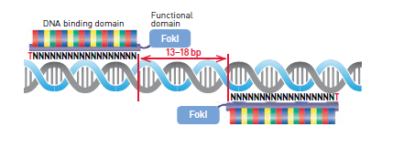
GeneArt PerfectMatch TALs binding sequences
 | 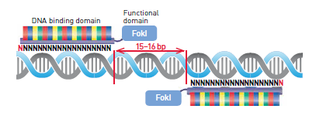
3. Activation Domain
Although promoter structure varies and specific rules regarding design are currently
lacking, we’ve found that TAL-TFs used for transcriptional activators of natural
promoters should be positioned upstream of the TATA box or downstream of the site of transcriptional initiation. Binding sites for known transcription factors should be avoided as this will interfere with gene expression. Be sure that the natural ATG is present and no premature ATG is transcribed which might interfere with the natural translational start.
3.1

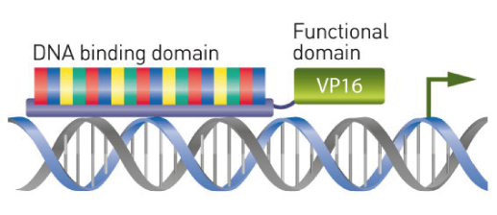

Although promoter structure varies and specific rules regarding design are currently lacking, we’ve found that TAL-repressors may be placed directly over the TATA box.
4. Repression Domain
4.1

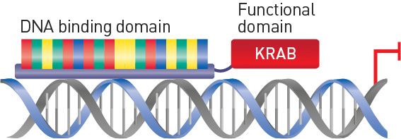

Design rules for the TAL binding site listed in section 1 apply to the MCS vector,
the sequence chosen for a binding site depends on the intended use of the TAL.
5. Multiple Cloning Site Vector
5.1

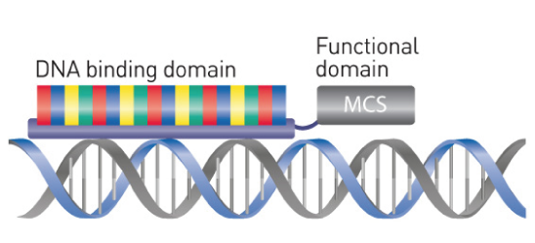

Limited Use Label License #406
Limited Use Label License No. 406: GeneArt® Precision TAL Effector Products
The purchase of this product conveys to the buyer limited, non-transferable rights under certain TAL Effector technology owned by inventors from Martin-Luther-Universitat Halle-Wittenberg and licensed to Life Technologies Corporation to use this product and components of this product only to perform internal research for the sole benefit of the buyer. The buyer may also use standard molecular biology techniques to make additional copies of this product for purposes of internal research for the sole benefit of the buyer but the buyer may not modify the sequence of the TAL Effector within this product. Any buyer that is a for-profit entity may not use this product, its components or materials or cells made using this product or its components to generate any animal without first obtaining additional rights from Life Technologies. The buyer cannot sell or otherwise transfer (a) this product, (b) its components, or (c) materials, cells, or organisms made using this product or its components (including but not limited to Plants in all cases hereunder) to a third party, or otherwise use this product, its components, or materials, cells, or organisms made using this product or its components for any Commercial Purpose or Development Purpose with the sole exception that buyer may transfer this product, its components, and/or materials, cells, or organisms made using this product or its components to (i) the buyer’s legal affiliates and/or (ii) a scientific collaborator, provided that each such legal affiliate and/or, scientific collaborator agrees in writing (1) not to transfer such product, its components, or materials, cells, or organisms made using such product or its components to any third party, and (2) to use such product, its components, and materials, cells, and organisms made using such product and/or its components solely for research as set forth in this limited use label license and not for Commercial Purposes or Development Purposes. If this product is subject to multiple limited use label licenses, the terms of the most restrictive limited use label license shall control.
Mice generated using this product may be donated to The Jackson Laboratory by not-for-profit buyers, and by for-profit buyers who have obtained the additional rights noted in the preceding paragraph. Please include a copy of this limited use label license with all donations to identify the TAL Effector technology used.
“Commercial Purpose” means any activity for consideration, including but not limited to: (a) any use, directly or indirectly, in manufacturing, production, production of biomolecules or quality control; (b) any use to provide a service, information, or data for consideration; (c) any use for therapeutic, diagnostic or prophylactic purposes; or (d) any sale, resale, leasing, or licensing, whether or not for research purposes.
“Development Purpose” means any: (a) clinical activity following IND-enabling preclinical toxicological studies or equivalents thereof; (b) activity in any agricultural field trial, including any such field trial that would be subject to regulation by the United States Department of Agriculture if the plants were to constitute genetically engineered organisms under 7 C.F.R. § 340 (or any successor regulation); (c) activity directed towards the submission of data tothe United States Department of Agriculture, or any equivalent regulatory agency outside of the United States, in support of an application for clearance, approval or deregulation by such agency; (d) screening or profiling of more than 10,000 distinct compounds (high-throughput screening); and/or (e) scale-up activities, the primary focus of which is to increase from small-scale to production-scale.
“Plant” means any eukaryotic plants, plant tissues or plant cells, including green algae, belonging to the plant kingdom defined as Viridiplantae, including any progeny (propagated through any number of generations) or unmodified derivatives of such plants, tissues or cells. For clarity, fungi or blue-green algae are specifically excluded from this definition.
For information on obtaining additional rights to TAL Effector technology for any use not permitted herein, except use in Plants, please contact Life Technologies at outlicensing@lifetech.com .
For information on obtaining additional rights to TAL Effector technology for any use in Plants not permitted herein, please contact Two Blades Foundation at info@2blades.org or Two Blades Foundation, 1630 Chicago Avenue, Suite 1907, Evanston, IL 60201 USA.
For information on donating mice to The Jackson Laboratory, please visit their website at: http://www.jax.org/grc/index.html .

Limited Use Label License #521
Limited Use Label License No. 521: GeneArt® Precision TALEN™ Products
The purchase of this product conveys to the buyer limited, non-transferable rights under certain TALEN™ technology owned and/or controlled by Cellectis SA (including patents owned by the University of Minnesota and Iowa State University) and licensed to Life Technologies Corporation to use this product and components of this product only to perform internal research for the sole benefit of the buyer. The buyer may also use standard molecular biology techniques to make additional copies of this product for purposes of internal research for the sole benefit of the buyer, except the buyer may not modify the sequence of the TAL effector within this TALEN™ product. Any buyer that is a for-profit entity may not use this product, its components or materials or cells made using this product or its components to generate any animal without first obtaining additional rights from Life Technologies. The buyer cannot sell or otherwise transfer (a) this product, (b) its components, or (c) materials, cells, or organisms made using this product or its components (including but not limited to Plants in all cases hereunder) to a third party, or otherwise use this product, its components, or materials, cells, or organisms made using this product or its components for any Commercial Purpose or Development Purpose with the sole exception that buyer may transfer this product, its components, and/or materials, cells, or organisms made using this product or its components to (i) the buyer’s legal affiliates and/or (ii) a scientific collaborator, provided that each such legal affiliate and/or scientific collaborator agrees in writing (1) not to transfer such product, its components, or materials, cells, or organisms made using such product or its components to any third party, and (2) to use such product, its components, and materials, cells, and organisms made using such product and/or its components solely for research as set forth in this limited use label license and not for Commercial Purposes or Development Purposes. If this product is subject to multiple limited use label licenses, the terms of the most restrictive limited use label license shall control.
“Commercial Purpose” means any activity for consideration, including but not limited to: (a) any use, directly or indirectly, in manufacturing, production, production of biomolecules, or quality control; (b) any use to provide a service, information, or data for consideration (c) any use for therapeutic, diagnostic or prophylactic purposes; or (d) any sale, resale, leasing, or licensing, whether or not for research purposes.
“Development Purpose” means any: (a) clinical activity following IND-enabling preclinical toxicological studies or equivalents thereof; (b) activity in any agricultural field trial, including any such field trial that would be subject to regulation by the United States Department of Agriculture if the plants were to constitute genetically engineered organisms under 7 C.F.R. § 340 (or any successor regulation); (c) activity directed towards the submission of data generated using a Plant to the United States Department of Agriculture, or any equivalent regulatory agency outside of the United States, in support of an application for clearance, approval or deregulation by such agency; (d) screening or profiling of more than 10,000 distinct compounds (high-throughput screening); e) scale-up activities, the primary focus of which is to increase from small-scale to production-scale and/or (g) any use of pigs, cattle or sheep cells or pig, cattle, or sheep animals generated using this TALEN™ product for (i) agricultural food applications, or (ii) animal models and biomaterials models used for research and development of therapeutic compounds or protocols, and production of non-cellular products or proteins for therapeutic, cosmetic or neutraceutical applications.
“Plant” means any eukaryotic plants, plant tissues or plant cells, including green algae, belonging to the plant kingdom defined as Viridiplantae, including any progeny (propagated through any number of generations) or unmodified derivatives of such plants, tissues or cells. For clarity, fungi or blue-green algae are specifically excluded from this definition.
For information on obtaining rights to TALEN™ technology for any use not permitted herein, except use in the therapeutic field and in Plants, please contact Life Technologies at outlicensing@lifetech.com .
For information on obtaining rights to TALEN™ technology for any use in the therapeutic field, please contact Cellectis SA at business.development@cellectis.com .
For information on obtaining rights to TALEN™ technology for any use in Plants not permitted herein, please contact Cellectis Plant Sciences, Inc. at businessdevelopment_cps@cellectis.com

